Welcome
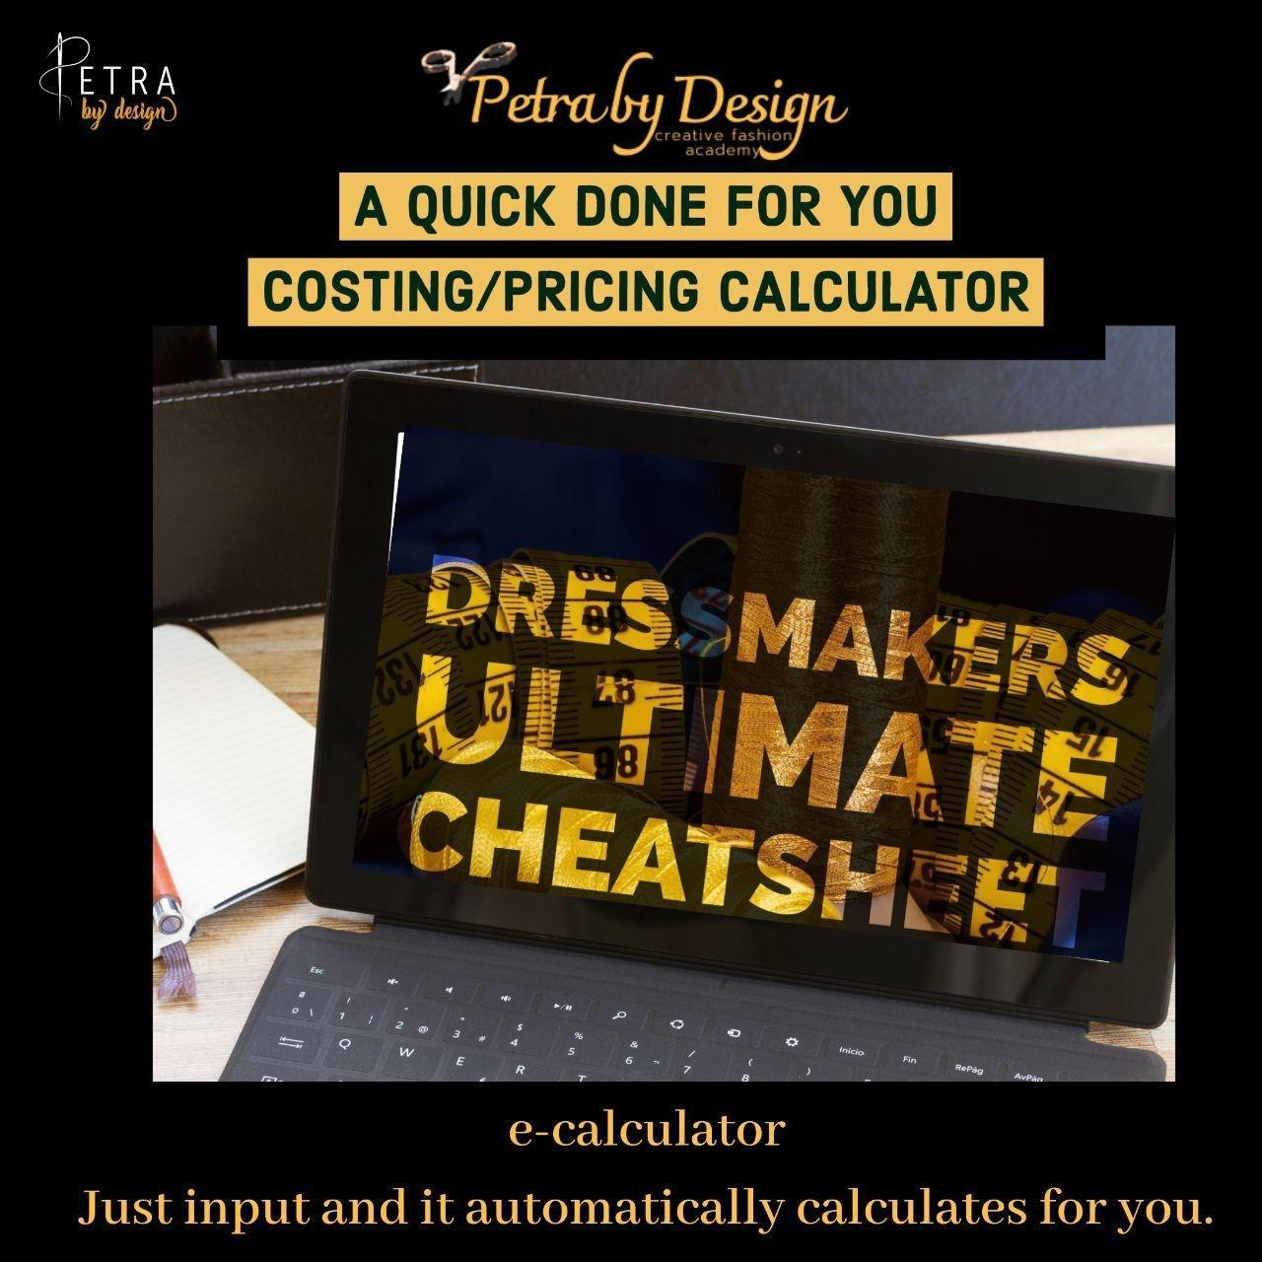

Please go through the guidelines Carefully
 | The template helps to recommend a price to bill for each outfit .
 | you can use this template for any niche as a fashion designer (ready to wear,bespoke,bridal etc)
 | the illustration used in this cheatsheet is for a wedding dressmaker the figures used are fictitious as such should not be relied upon
 | (input the figures as it relates to you)
 | This Template should be used per outfit(the expense sheet can be adjusted as expenses change overtime)
 | You can only adjust the pink Cells. Other Cells are locked and cannot be adjusted
 | also consider other neccessary factors before billing
 | NOTICE:
 | The cheatsheet is a recommendation,hence should be only used as a guide. The final decision on what to actually bill is your decision.
 | The expected profit and recommended price to bill in the recommendation sheet depends on what you
 | input in the other sheets.(use accurate figures for realistic recommendation
 | petra by design creative fashion academy does not take responsibility for how the template is used and the
 | decisions taken from this cheatsheet.
 | Using this template means you agree to the terms stated above

 | petra by design | All rights reserved
 | This template is copyrighted and must not be resold,reproduced or redistributed
 | without a written permission to the author/academy

